Sheet1
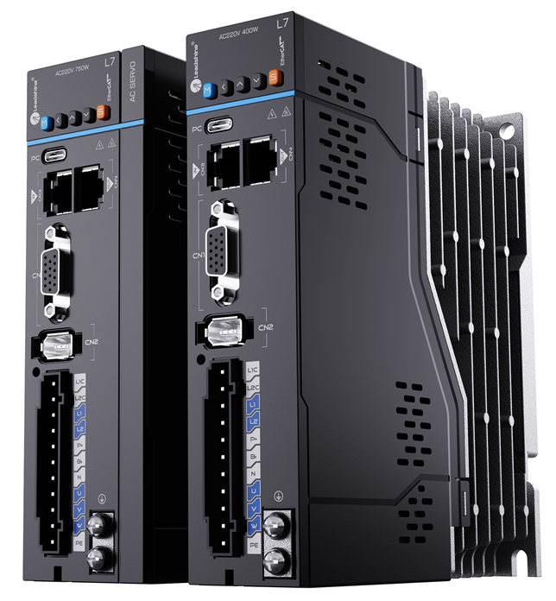
NEW EL7-ECS Model |  |  |  |  |  |  |  | Previous EL7-ECN Model
Model | EL7-EC400S | EL7-EC750S | EL7-EC1000S | EL7-EC1500S | EL7-EC2000S |  |  | Model | EL7-EC400N | EL7-EC750N | EL7-EC1000N | EL7-EC1500N | EL7-EC2000N
Voltage | 220V | 220V | 220V | 220V | 220V |  |  | Voltage | 220V | 220V | 220V | 220V | 220V
Power | 400W | 750w | 1000w | 1500w | 2000w |  |  | Power | 400W | 750w | 1000w | 1500w | 2000w
Rated Current | 3.5 | 5.5 | 7 | 9.5 | 12 |  |  | Rated Current | 3.5 | 5.5 | 7 | 9.5 | 12
Peak Current | 9.5 | 16.6 | 21 | 31.1 | 36 |  |  | Peak Current | 9.5 | 16.6 | 21 | 31.1 | 36
Size | 168*156*40 | 168*156*50 |  | 168*183*80 |  |  |  | Size | 175*156*40 | 175*156*50 |  | 175*179*80

Model | EL7-EC1000ST | EL7-EC1500ST | EL7-EC2000ST | EL7-EC3000ST | EL7-EC4400ST | EL7-EC5500ST | EL7-EC7500ST | Model | EL7-EC750NT | EL7-EC1000NT | EL7-EC1500NT | EL7-EC2000NT | EL7-EC3000NT | EL7-EC4400NT | EL7-EC5500NT | EL7-EC7500NT
Voltage | 400V | 400V | 400V | 400V | 400V | 400V | 400V | Voltage | 400V | 400V | 400V | 400V | 400V | 400V | 400V | 400V
Power | 1000w | 1500w | 2000w | 3000w | 4400w | 5500w | 7500w | Power | 750W | 1000w | 1500w | 2000w | 3000w | 4400w | 5500w | 7500w
Rated Current | 3.5 | 5.4 | 8.4 | 11.9 | 16.5 | 20.8 | 25.7 | Rated Current | 2.7 | 3.5 | 5.4 | 8.4 | 11.9 | 16.5 | 20.8 | 25.7
Peak Current | 10.6 | 14 | 24.8 | 33.2 | 38.9 | 51.6 | 63.6 | Peak Current | 8.6 | 10.6 | 14 | 24.8 | 33.2 | 38.9 | 51.6 | 63.6
Size | 168*183*55 |  | 168*183*80 |  | 250*230*89 |  |  | Size | 175*179*55 |  |  | 175*179*80 |  | 250*230*89
Certification | CE,STO,UL CE L7N-S 2026 June UL L7N-S 2027 Q1 STO L7N-S 2026 August |  |  |  |  |  |  | Certification | CE
Function | positional comparison |  |  |  |  |  |  | Function | NO positional comparison
Synchronization cycle | 62.5 us |  |  |  |  |  |  | Synchronization cycle | 125 us
SPWM switching frequency | DEFAULT 16K |  |  |  |  |  |  | SPWM switching frequency | DEFAULT 8K
motor | adapt to 24bits encoder |  |  |  |  |  |  | motor | no adaption for 24bits encoder
New technology enhancement | Better self-tuning technology and ease of use
IO DEFINITON | The port definition is mostly the same as the Previous EL7-ECN definition

